Indices

 | Iraq Stock Exchange
 | Bulletin No (23)
 | ISX Trading Indices of Thursday 5/2/2026

 | Traded Volume and OTC |  | 645,564,878 |  | Traded Value and OTC |  | 1,219,482,694 |  | Traders | 1041
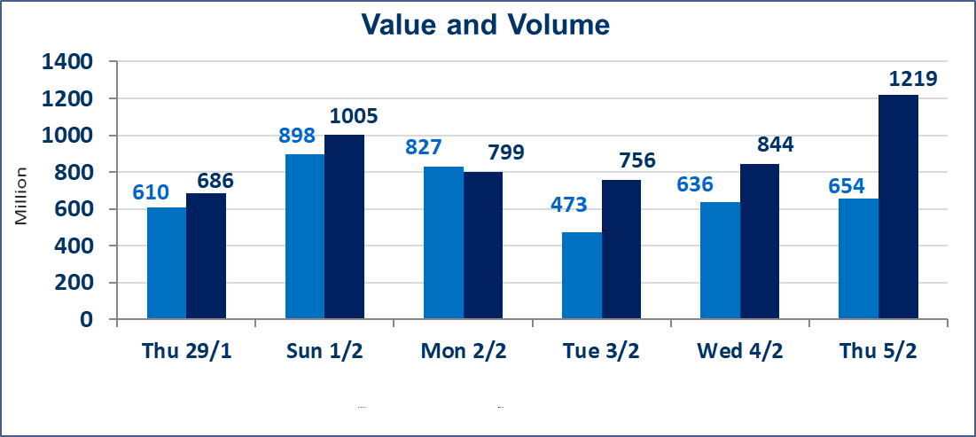
 | ISX Index 60 |  |  | 954.90 | ISX Index 15 |  |  | 1222.18
 | Previous ISX Index60 |  |  | 959.58 | Previous ISX Index15 |  |  | 1226.66
 | Change % |  |  | -0.49 | Change % |  |  | -0.37
 | Change |  |  | -4.68 | Change |  |  | -4.48

 | Listed Companies | 104 | OTC | 14 | Non Traded listed | 43 | OTC | 13
 | Traded Listed Companies | 48 | OTC | 1 | Higher Companies |  |  | 9
 | GAM Companies |  |  | 2 | Lower Companies |  |  | 15
 | Suspended Companies |  |  | 11
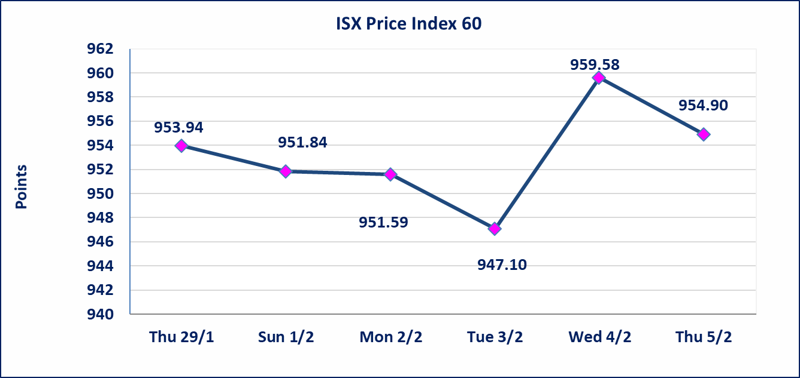
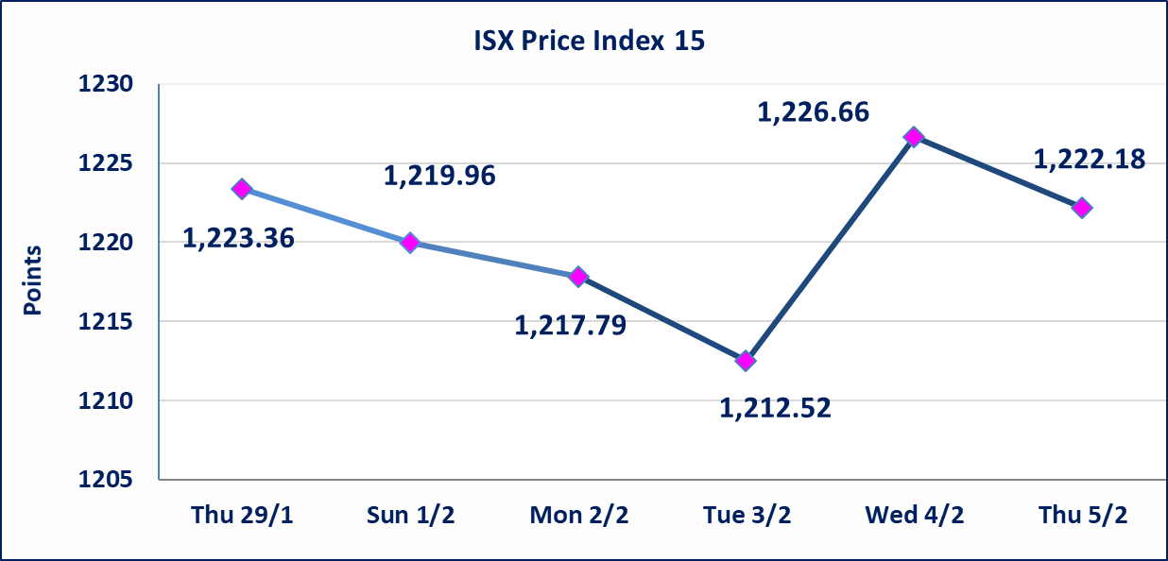

Al-Alwiya P.O . 3607 Mobile: 07711211522 - 07270094594 - 07834000034 E-mail: info-isx@isx-iq.net Web site:www.isx-iq.net

Top 5
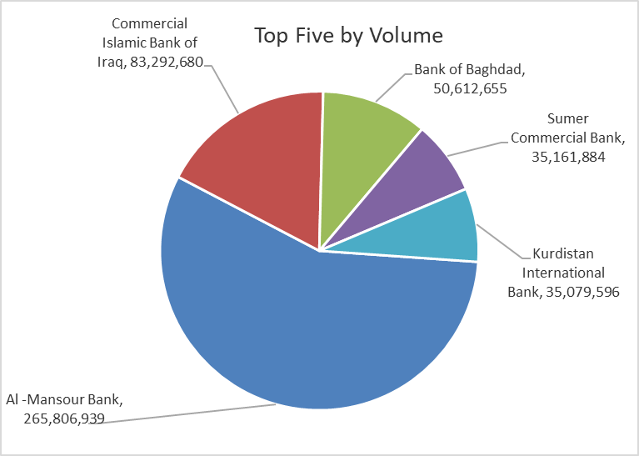
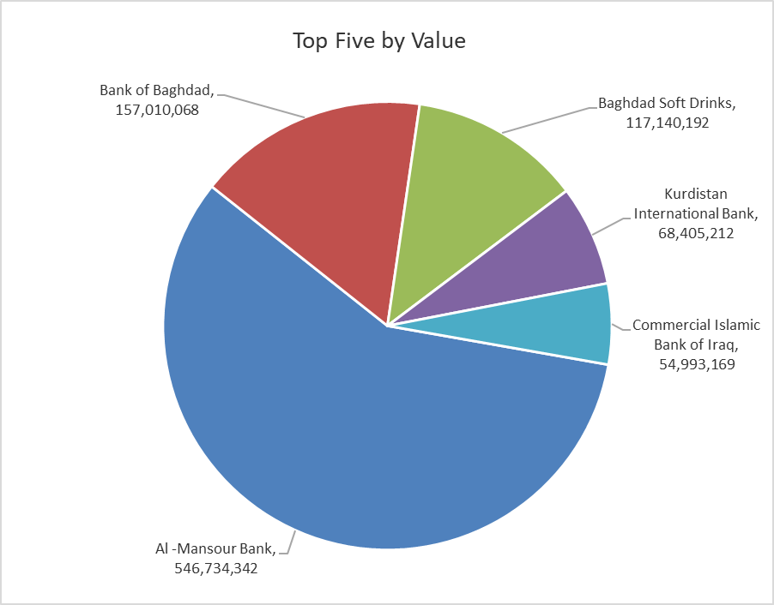

ISX top ganing and losing companies
Thursday 5/2/2026
 | Gainers |  |  |  | Losers
 | Company Name | Closing Price | Change (%) | Traded Volume | Company Name | Closing Price | Change (%) | Traded Volume
 | Middle East Bank | 0.070 | 16.67 | 421,229 | Mosul Bank For Investment | 0.130 | -7.14 | 5,100,000
 | Tourist Village of Mosul dam | 14.850 | 13.79 | 185,662 | Electronic Industry | 2.100 | -4.55 | 242,221
 | Baghdad -Iraq Transportation | 22.500 | 5.88 | 2,339,496 | Investment Bank of Iraq | 0.220 | -4.35 | 21,601,543
 | Al-Ameen Estate Investment | 2.100 | 5.00 | 92,034 | International Islamic Bank | 0.220 | -4.35 | 2,900
 | Modern Construction Materials | 1.930 | 4.32 | 491,466 | Economy Bank | 0.230 | -4.17 | 2,004,141
 | The most active companies in term of traded volume and value

 | Traded Volume |  |  |  | Traded Value
 | Company Name | Closing Price | Change (%) | Traded Volume | Company Name | Closing Price | Change (%) | Traded Value
 | Al -Mansour Bank | 2.050 | -1.44 | 265,806,939 | Al -Mansour Bank | 2.050 | -1.44 | 546,734,342
 | Commercial Islamic Bank of Iraq | 0.660 | 0.00 | 83,292,680 | Bank of Baghdad | 3.070 | 0.00 | 157,010,068
 | Bank of Baghdad | 3.070 | 0.00 | 50,612,655 | Baghdad Soft Drinks | 5.750 | -0.86 | 117,140,192
 | Sumer Commercial Bank | 0.120 | 0.00 | 35,161,884 | Kurdistan International Bank | 1.950 | 0.00 | 68,405,212
 | Kurdistan International Bank | 1.950 | 0.00 | 35,079,596 | Commercial Islamic Bank of Iraq | 0.660 | 0.00 | 54,993,169

Non Iraqis

Iraq Stock Exchange
Non Iraqis' Bulletin Thursday Feb 5 2026
Regular Market

Non Iraqi Trading of Regular Market (Sell)
Company Names | Code | No.of trades | Traded Shares | Trading Volume
Banks Sector
Bank Of Baghdad | BBOB | 10 | 7,500,000 | 23,320,000
Al-Mansour Bank | BMNS | 16 | 100,000,000 | 205,000,000
Total Bank sector |  | 26 | 107,500,000 | 228,320,000
Industry Sector
Baghdad Soft Drinks | IBSD | 55 | 15,882,862 | 90,691,798
Total Industry sector |  | 55 | 15,882,862 | 90,691,798
Grand Total |  | 81 | 123382862 | 319011798

Not Trading Bonds

Iraq Stock Exchange
Thursday 5/2/2026
Not Trading Bonds Bulletin
Bond type | Publish type | Code | last trading price | immortilize date
Banaa Bonds /Million ID | Second | CB20 | 964,981 | 19/12/2025
Eamar Bonds /Million ID | First | CB30 | 1,001,095 | ــــــــــــــــ
Eamar Bonds /Million ID | Second | CB40 | ــــــــــــــــ | ــــــــــــــــ
Eamar Bonds /500 Thousand ID | Third | CB45 | ــــــــــــــــ | ــــــــــــــــ
Eamar Bonds /Million ID | Third | CB50 | ــــــــــــــــ | ــــــــــــــــ
Injaz Bonds /500 Thousand ID | First | CB55 | ــــــــــــــــ | ــــــــــــــــ
Injaz Bonds /Million ID | First | CB60 | ــــــــــــــــ | ــــــــــــــــ
Injaz Bonds /500 Thousand ID | Second | CB65 | 515,047 | ــــــــــــــــ
Injaz Bonds /Million ID | Second | CB70 | 1,026,082 | ــــــــــــــــ
Injaz Bonds /500 Thousand ID | Third | CB75 | ــــــــــــــــ | ــــــــــــــــ
Injaz Bonds /Million ID | Third | CB80 | 978,182 | ــــــــــــــــ
National Bonds/Million ID | First | CB90 | ــــــــــــــــ | ــــــــــــــــ
National Bonds/500 Thousand ID | Second | CB95 | ــــــــــــــــ | ــــــــــــــــ
National Bonds/Million ID | Second | CB100 | ــــــــــــــــ | ــــــــــــــــ

